Figure S1a
Figure S1a. Average scores and 10th and 90th percentile scores of 15-year-old students on the PISA science literacy scale, by education system: 2015
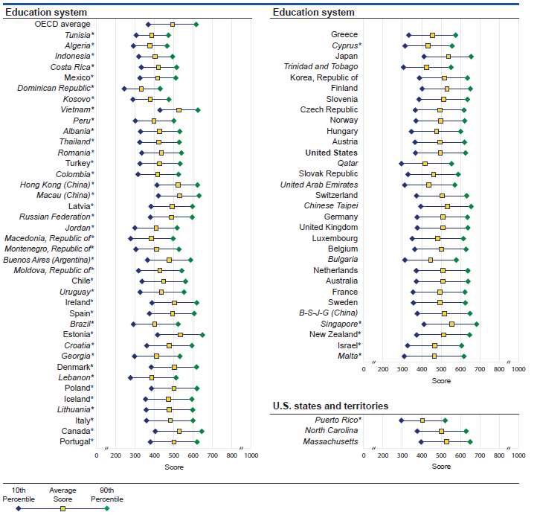

* p<.05. Score gap is significantly different from the U.S. 90th to 10th percentile score gap at the .05 level of statistical significance. NOTE: This table shows the threshold (or cut) scores for the following: (a) 10th percentile- the bottom 10 percent of students; (b) 90th percentile- the top 10 percent of students. The score gap for each education system is the difference between its 90th and 10th percentile scores. The percentile ranges are specific to each education system's distribution of scores, enabling users to compare scores across education systems. Education systems are ordered by score gap from smallest to largest. The OECD average is the average of the national averages of the OECD member countries, with each country weighted equally. Scores are reported on a scale from 0 to 1,000. Italics indicate non-OECD countries and education systems. B-S-J-G (China) refers to the four PISA participating China provinces: Beijing, Shanghai, Jiangsu, and Guangdong. Results for Massachusetts and North Carolina are for public school students only. Although Argentina, Malaysia, and Kazakhstan participated in PISA 2015, technical problems with their samples prevent results from being discussed in this report. This figure corresponds to figure 1 in Performance of U.S. 15-Year-Old Students in Science, Mathematics, and Reading Literacy in an International Context (NCES 2017-048). SOURCE: Organization for Economic Cooperation and Development (OECD), Program for International Student Assessment (PISA), 2015.

Figure S2a
Figure S2a. Percentage of 15-year-old students performing at PISA science literacy proficiency levels below level 2 and levels 5 and above, by education system: 2015
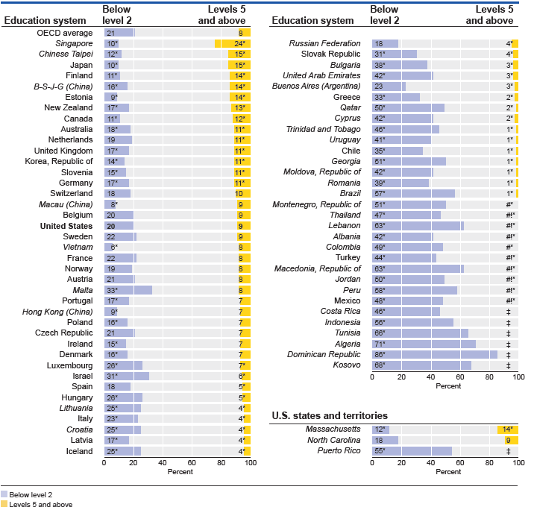

# Rounds to zero. ! Interpret data with caution. Estimate is unstable due to high coefficient of variation (>30 percent and <=50 percent). ‡ Reporting standards not met due to coefficient of variation over 50 percent. * p<.05. Significantly different from the U.S. percentage at the .05 level of statistical significance. NOTE: Education systems are ordered by 2015 percentages of 15-year-olds in levels 5 and above. To reach a particular proficiency level, a student must correctly answer a majority of items at that level. Students were classified into science proficiency levels according to their scores. Exact cut scores are as follows: level 2 and below (a score less than or equal to 484.14); level 5 and above (a score greater than 633.33). Scores are reported on a scale from 0 to 1,000. The OECD average is the average of the national percentages of the OECD member countries, with each country weighted equally. Italics indicate non-OECD countries and education systems. B-S-J-G (China) refers to the four PISA participating China provinces: Beijing, Shanghai, Jiangsu, and Guangdong. Results for Massachusetts and North Carolinaare for public school students only. Although Argentina, Malaysia, and Kazakhstan participated in PISA 2015, technical problems with their samples prevent results from being discussed in this report. This figure corresponds to figure 2 in Performance of U.S. 15-Year-Old Students in Science, Mathematics, and Reading Literacy in an International Context (NCES 2017-048). SOURCE: Organization for Economic Cooperation and Development (OECD), Program for International Student Assessment (PISA), 2015.

Figure S3a
Figure S3a. Difference in average scores of 15-year-old female and male students on the PISA science literacy scale, by education system: 2015
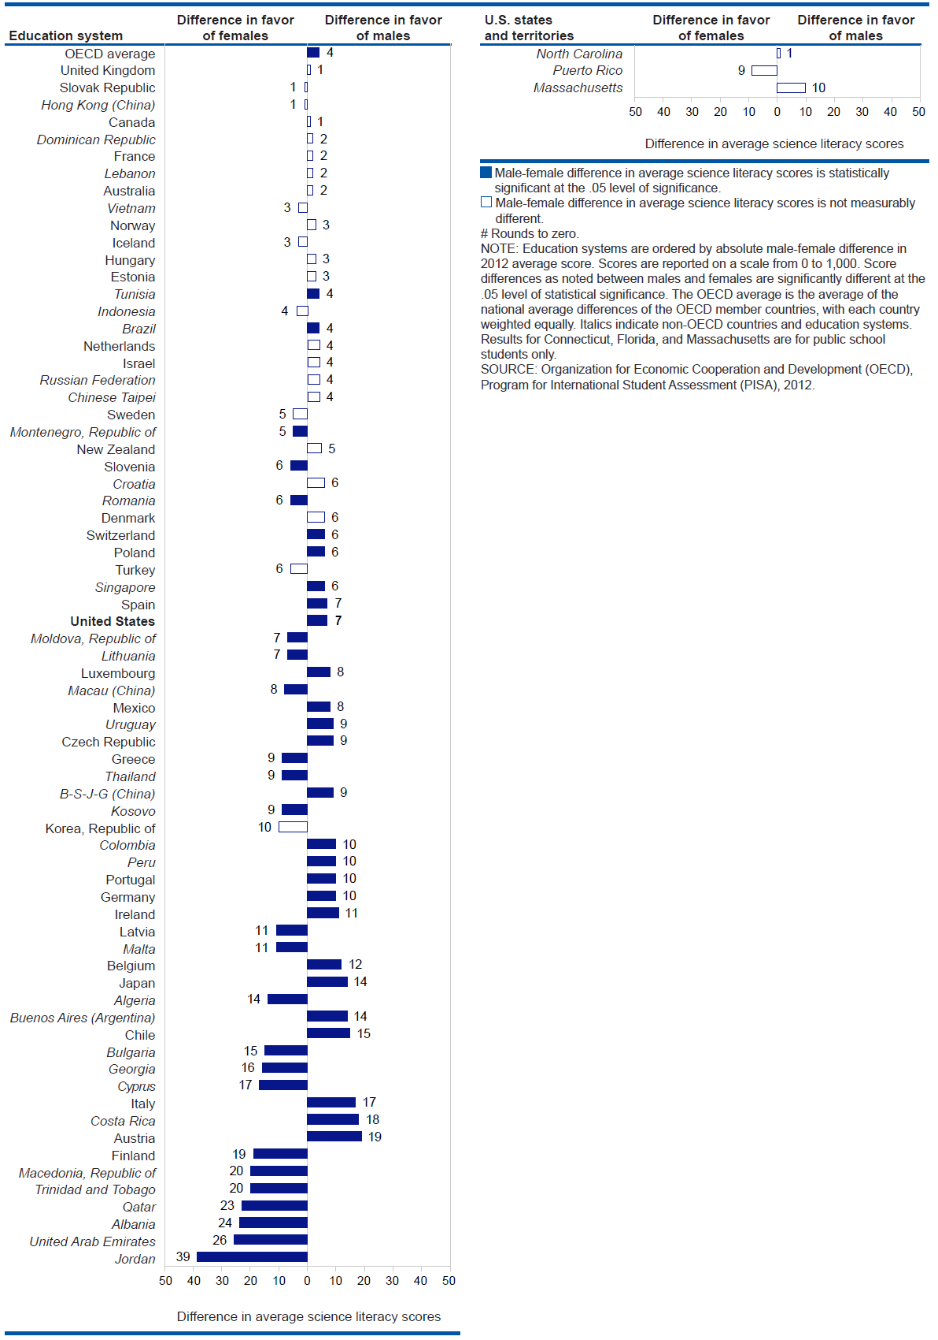

NOTE: Education systems are ordered by absolute male-female difference in 2015 average score. Differences were computed using unrounded numbers. Scores are reported on a scale from 0 to 1,000. The OECD average is the average of the national average differences of the OECD member countries, with each country weighted equally. Italics indicate non-OECD countries and education systems. B-S-J-G (China) refers to the four PISA participating China provinces: Beijing, Shanghai, Jiangsu, and Guangdong. Results for Massachusetts and North Carolina are for public school students only. Although Argentina, Malaysia, and Kazakhstan participated in PISA 2015, technical problems with their samples prevent results from being discussed in this report.
SOURCE: Organization for Economic Cooperation and Development (OECD), Program for International Student Assessment (PISA), 2015.

Figure T1a
Figure T1a. Average scores and percentile scores of U.S. 15-year-old students on the PISA science literacy scale at selected percentiles: 2006, 2009, 2012, and 2015
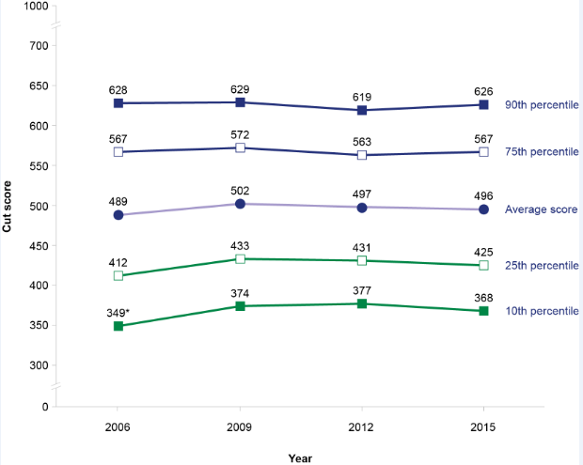

* p<.05. Significantly different from the 2015 score at the .05 level of statistical significance. NOTE: This table shows the threshold (or cut) score for the following: (a) 10th percentile- the bottom 10 percent of students; (b) 25th percentile- the bottom 25 percent of students; (c) 75th percentile- the top 25 percent of students; (d) 90th percentile- the top 10 percent of students. The PISA science framework was revised in 2006. Because of changes in the framework, it is not possible to compare science learning outcomes from PISA 2000 and 2003 with those from PISA 2006, 2009, and 2015. Scores are reported on a scale from 0 to 1,000. SOURCE: Organization for Economic Cooperation and Development (OECD), Program for International Student Assessment (PISA), 2006, 2009, 2012, and 2015.

Table T1b
National Center for Education Statistics
Table T1b. Average scores and percentile scores of U.S. 15-year-old students on the PISA science literacy scale at selected percentiles: 2006, 2009, 2012, and 2015
Selected percentiles | 2006 |  |  | 2009 |  | 2012 |  | 2015 |  |  | 2006 | 2009 | 2012 | 2015
 | Score |  | s.e. | Score | s.e. | Score | s.e. | Score | s.e. | 90th | 628 | 629 | 619 | 619
90th percentile | 628 |  | 4.3 | 629 | 5.1 | 619 | 4.5 | 626 | 3.9 | 75th | 567 | 572 | 563 | 563
75th percentile | 567 |  | 4.6 | 572 | 4.7 | 563 | 4.2 | 567 | 3.9 | 50th | 488 | 502 | 498 | 498
Average score | 489 |  | 4.2 | 502 | 3.6 | 497 | 3.8 | 496 | 3.2 | 25th | 412 | 433 | 431 | 431
25th percentile | 412 |  | 5.4 | 433 | 3.9 | 431 | 4.4 | 425 | 3.7 | 10th | 349 | 374 | 377 | 377
 | 90th | 75th | 50th | 25th | 10th
2006 | 628 | 567 | 488 | 412 | 349
2009 | 629 | 572 | 502 | 433 | 374
2012 | 619 | 563 | 498 | 431 | 377
2015 | 619 | 563 | 498 | 431 | 377
10th percentile | 349 | * | 5.9 | 374 | 4.5 | 377 | 4.9 | 368 | 3.9
* p<.05. Significantly different from the 2015 score at the .05 level of statistical significance. NOTE: This table shows the threshold (or cut) score for the following: (a) 10th percentile- the bottom 10 percent of students; (b) 25th percentile- the bottom 25 percent of students; (c) 75th percentile- the top 25 percent of students; (d) 90th percentile- the top 10 percent of students. The PISA science framework was revised in 2006. Because of changes in the framework, it is not possible to compare science learning outcomes from PISA 2000 and 2003 with those from PISA 2006, 2009, 2012 and 2015. Scores are reported on a scale from 0 to 1,000. Standard error is noted by s.e. SOURCE: Organization for Economic Cooperation and Development (OECD), Program for International Student Assessment (PISA), 2006, 2009, 2012, and 2015.

